Cover
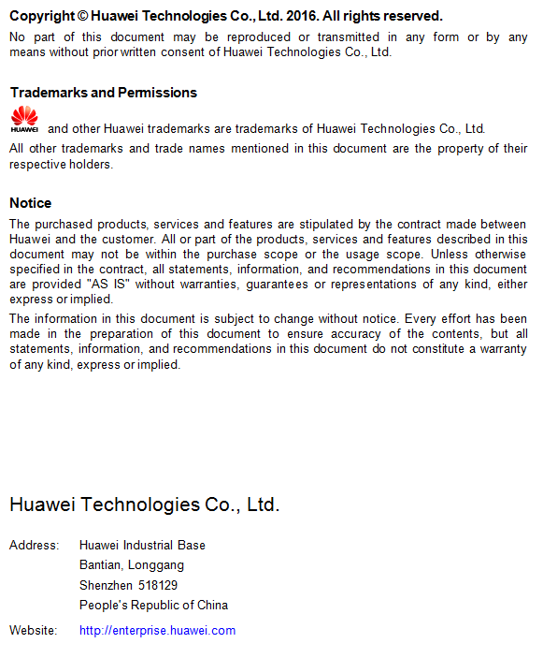


CE12800&CE8800&CE7800&CE6800&CE5800 V200R005C00
Specifications List

HUAWEI TECHNOLOGIES CO., LTD.

